Question
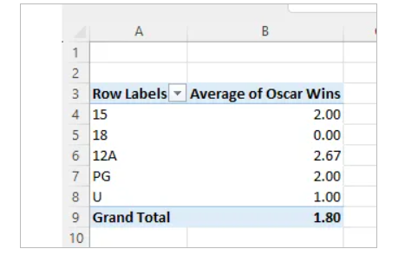
Question -1 --> create the following pivot table based upon it:
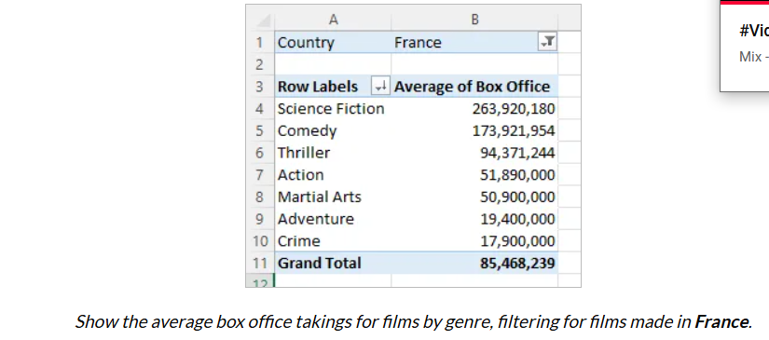

Question-2 --> Remove the filter by country, and replace it with a slicer by country instead. Use this to show all Australasian films.

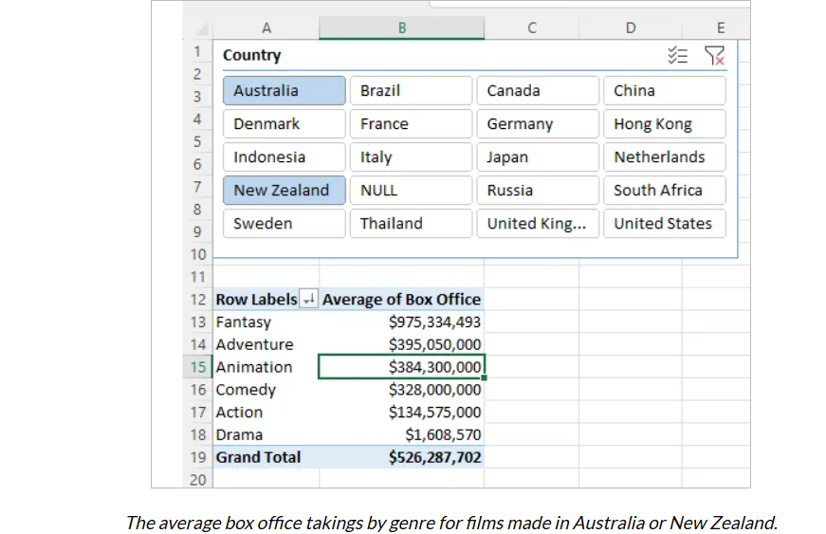

Question -3 --> Create another pivot table (on a separate sheet) to show average Oscar wins by certificate. Apply the original slicer to this pivot table too to show this for Australia and New Zealand only

